MATERIALS & BUDGET DRAFT
WATER TANKS
https://www.uline.com/Product/Detail/S-12768/Jugs/Carboy-5-Gallon?pricode=WA9237&gadtype=pla&id=S-12768&ad_group_id=155300044296&gad_source=4&gad_campaignid=11612151543&gbraid=0AAAAAD_uetMF88nyo-feAQHkmwn1XXht0&gclid=CjwKCAjw2rrQBhBuEiwAarLWHR9f8fUy7AA8x9pXkHoEVRLAGYM6N-DiFZo8_nSAXso_jd00RK_rwhoCIbEQAvD_BwE
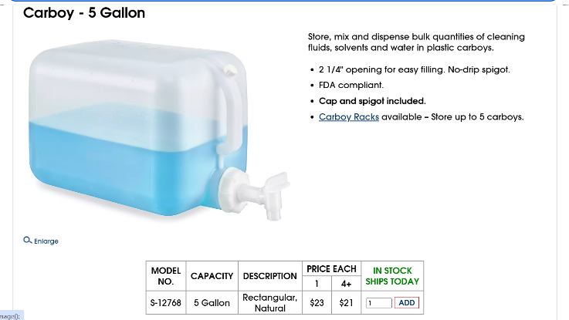
*Hole is male threaded | requires female fitting (1/4" holes)
23 dollars

https://www.grainger.com/product/20XP84?gucid=N:N:PS:Paid:GGL:CSM-2295:90ZFCA:20990506:APZ_1&gclsrc=aw.ds&gad_source=1&gad_campaignid=23822385804&gclid=CjwKCAjw2rrQBhBuEiwAarLWHXcWvDWWDEmJF5qY75zVcveZmiI3wGe0X0XCSeMkwMMX8VQlHLhR-hoC3UMQAvD_BwE
Barbed Hose Fitting: For 3/4 in Hose I.D., GHT x Hose Barb, 3/4 in x 3/4 in Fitting Size, Swivel
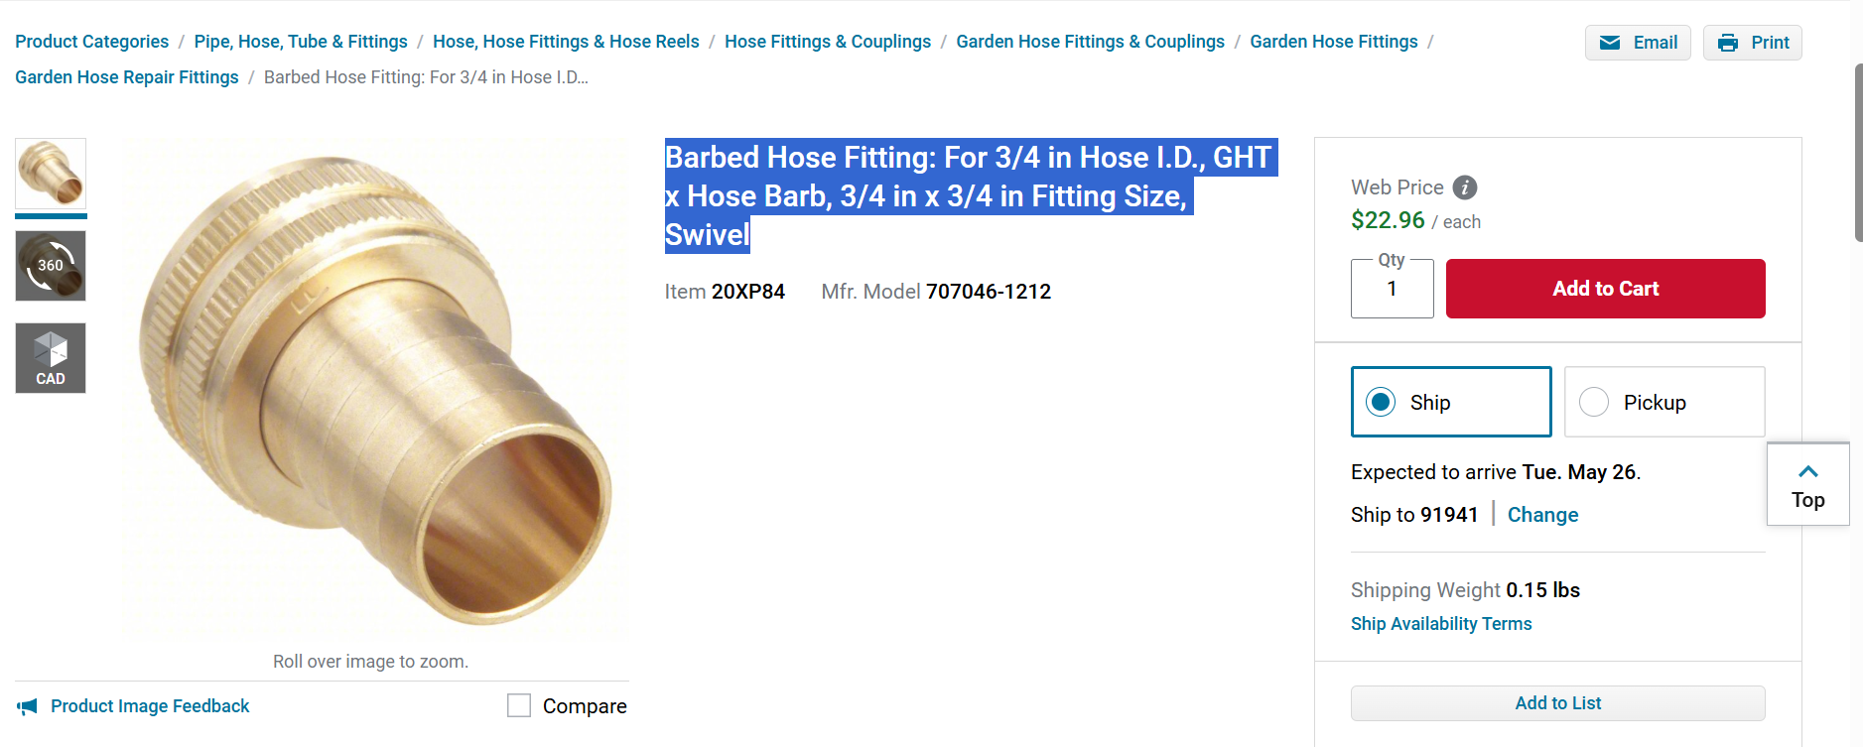

Material: Braid-Reinforced Clear PVC Tubing Size: 3/4" ID (Inside Diameter) x 1" OD (Outside Diameter)
https://www.zoro.com/zoro-select-reinforced-clear-pvc-tubing-34-id-x-1-od-x-25-ft-l-zusa-ht-45/i/G4424036/?utm_source=google&utm_medium=surfaces&utm_campaign=shopping%20feed&utm_content=free%20google%20shopping%20clicks&campaignid=21528295841&productid=G4424036&v=&gclsrc=aw.ds&gad_source=1&gad_campaignid=21528295841&gbraid=0AAAAADw3hZd0Sx5lfKLGIYF6Mj2C_gmQB&gclid=CjwKCAjw2rrQBhBuEiwAarLWHUuK38YlzGCH7W_iFY8oGP-CIAkpZd4I-iVpQhNYNfrFO4xqCLHnuxoCwTEQAvD_BwE

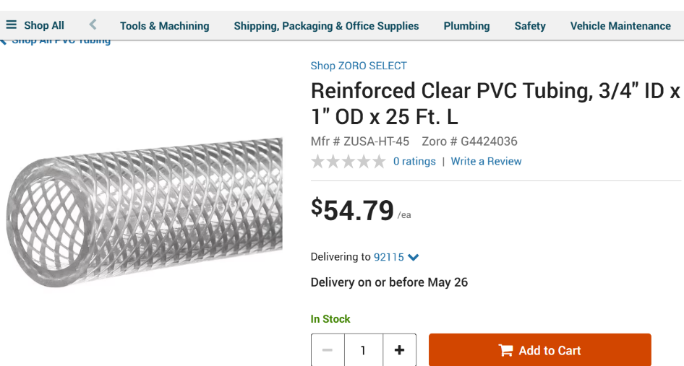

Pressure Transducer
https://www.walmart.com/ip/Uxcell-Pressure-Transducer-Sender-Sensor-1-8-NPT-30-PSI-Stainless-Steel/17263607268?wmlspartner=wlpa&selectedSellerId=571&adid=22222222222000000000&wmlspartner=wmtlabs&wl0=e&wl1=o&wl2=c&wl3=10352200394&wl4=pla-1103028060075&wl5=76887&wl6=&wl7=&wl10=Walmart&wl11=Online&wl12=17263607268_10000000599&wl14=Male%20NPT%20pressure%20transducer%200-30%20psi&veh=sem&msclkid=023fd8da73aa1c8a8489b2d5daf32928&gclid=023fd8da73aa1c8a8489b2d5daf32928&gclsrc=3p.ds
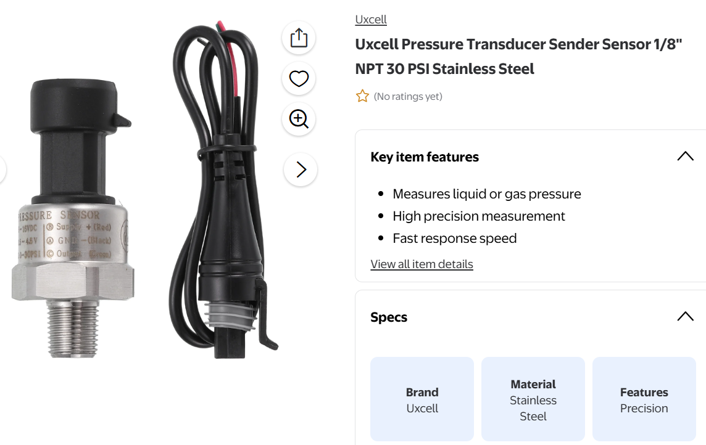

4 of these

Pressure [PSI] = (Measured Voltage - 0.5) * 7.5

Splice Coupler
https://www.ictbillet.com/products/3-4-hose-barb-750-inch-w-1-8-npt-steam-port-splice-coupler-fitting-adapter?variant=46047867371750&country=US&currency=USD&utm_medium=product_sync&utm_source=google&utm_content=sag_organic&utm_campaign=sag_organic&gad_source=1&gad_campaignid=22606207890&gbraid=0AAAAADn6FEDFVoGAViEuxjchYHteARt-K&gclid=CjwKCAjw2rrQBhBuEiwAarLWHYcdwUHAuR6BgQA7YP0i-q8P2pOOhNP7bPwVl7RVYkn0BT7c1FxyzBoCtk4QAvD_BwE

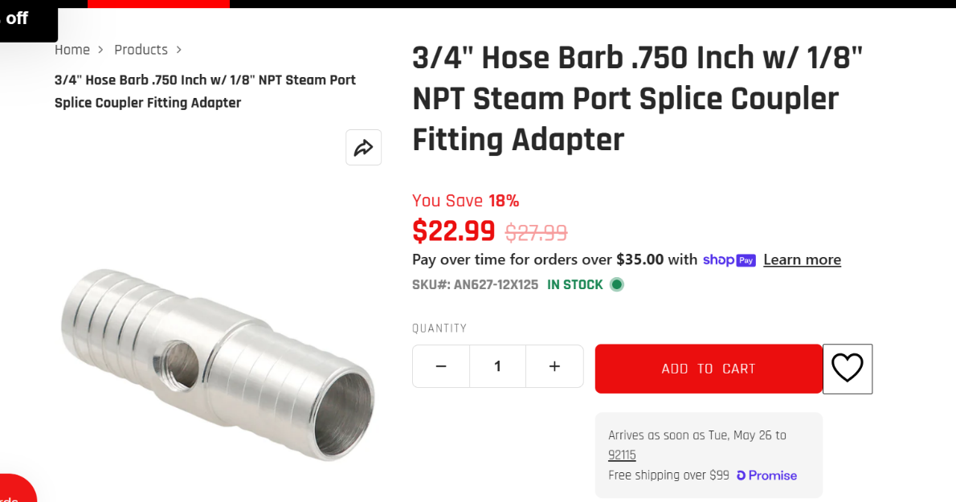

4 of these

For radiator: 10AN Female to 3/4" Hose Barb Adapter
https://www.amazon.com/Podavelle-Fitting-Adapter-Straight-Aluminum/dp/B0D8BLK4FF/ref=asc_df_B0D8BLK4FF?tag=bingshoppinga-20&linkCode=df0&hvadid=80058400531413&hvnetw=o&hvqmt=e&hvbmt=be&hvdev=c&hvlocint=&hvlocphy=76887&hvtargid=pla-4583657888548584&msclkid=1dad779c5796188f88be1d93e1e5f814&th=1
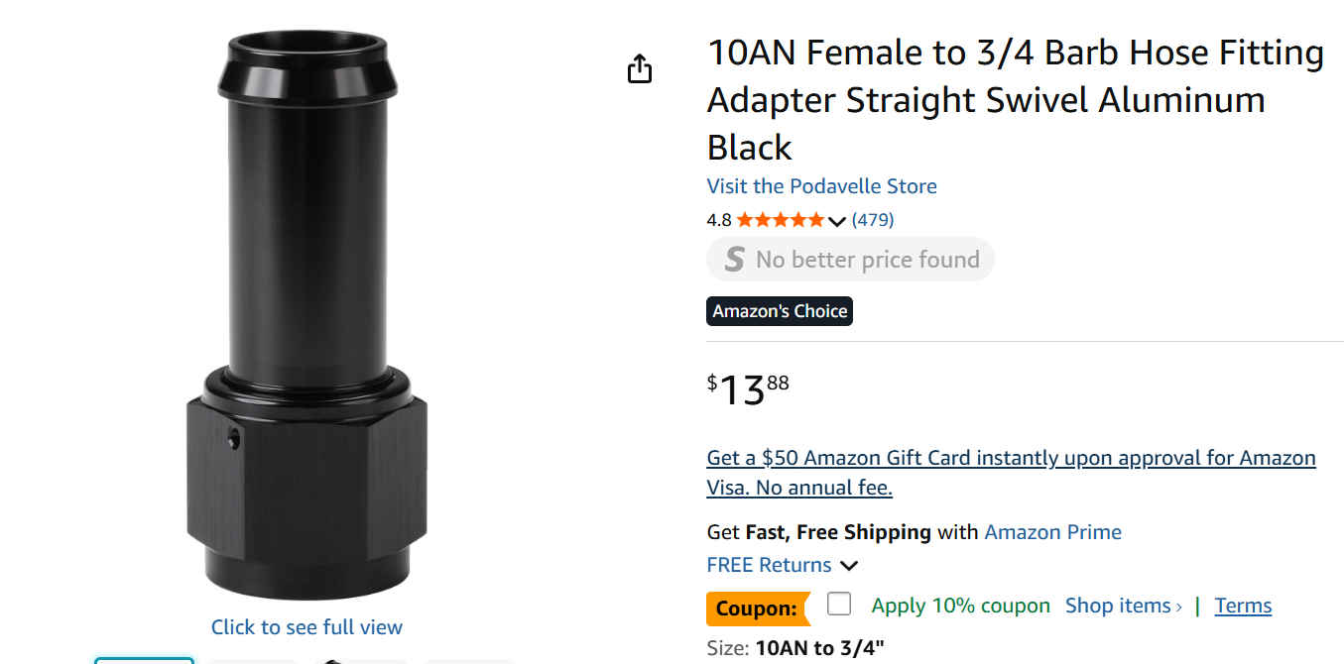

Buy the option that gives 2 of these

-2

BLOCK DIAGRAM
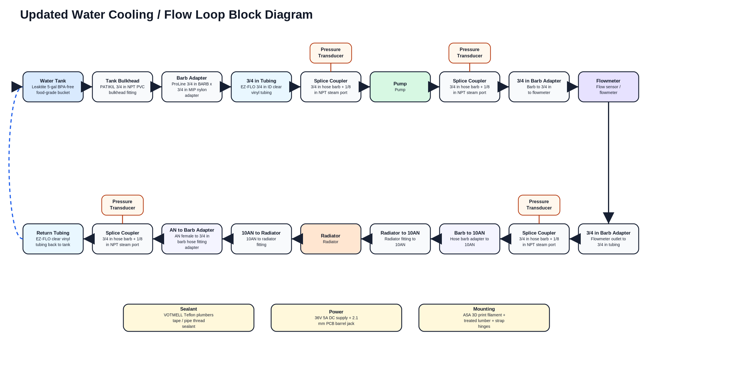
REV 0

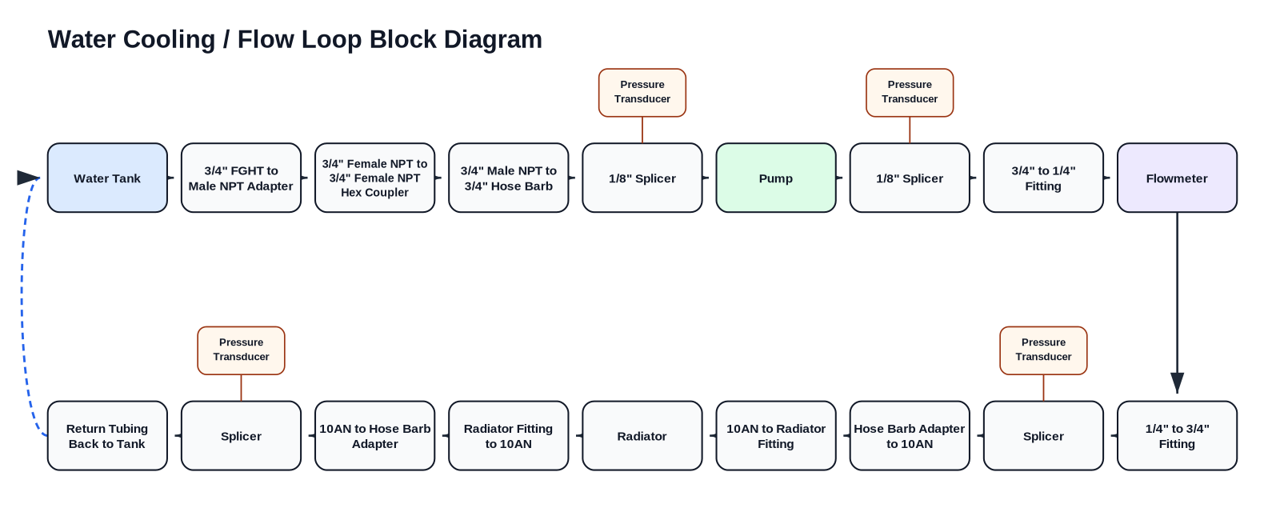

REV 1

